AP Lead Sheet YEAR
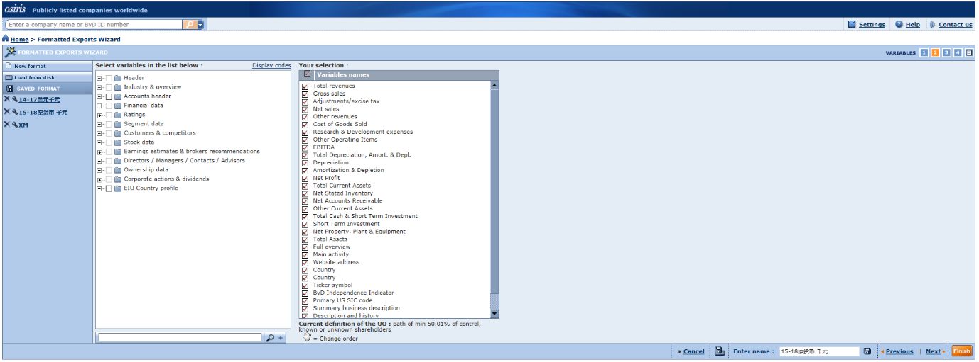
Project Information
Platform details
Database Used | 123
Release/Version info | 12333
Client Details
Client Name | 2345有限公司
Analysis Period | 2024
Project Type
Tested Party
Location | HK
Countries or territories

Potential Standard Industrial Classification Codes (“SIC codes”)
SIC Code | Description | No. of Companies
123 | 电话 | 55

 | Total | 55

Screening of Comparable Compaines
Search Step | Search Criteria | Number of Comps Eliminated
1 | 独立性 | 23 | 32.00
2 | 有效性 | 10
3 | 完整性 | 5
4
5
6
 | Total | 38
 | Include | 17

